Risk-O-Meter
Navi Mutual Fund

NAVI Liquid Fund | Benchmark - CRISIL Liquid Debt A-I Index
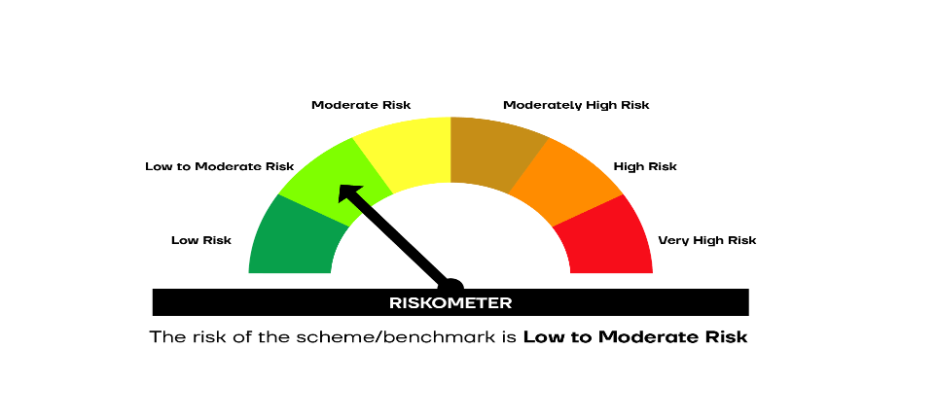

Navi Large & Midcap Fund | Benchmark -: NIFTY Large Midcap 250 TRI
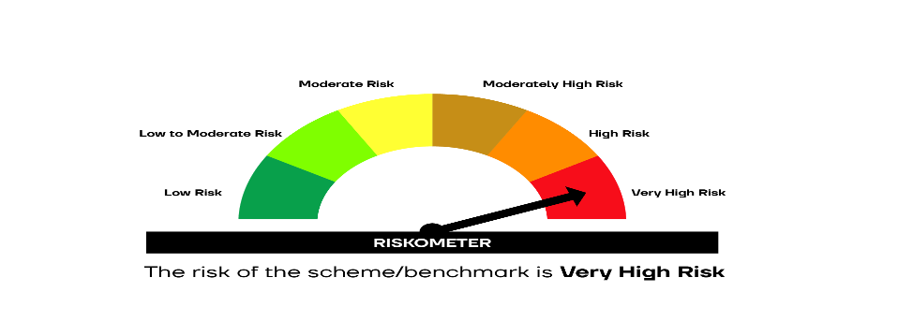

Navi ELSS Tax Saver Fund | Benchmark - Nifty 500 TRI
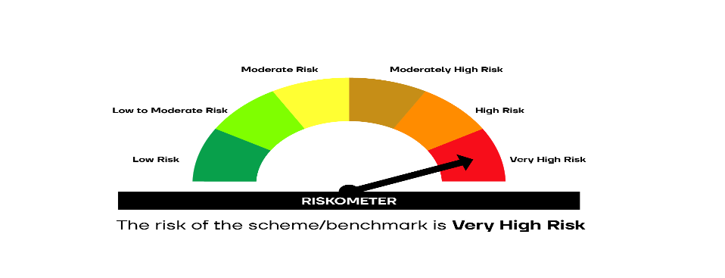

Navi Aggressive Hybrid Fund | Benchmark - CRISIL Hybrid 35+65 - Aggressive Index

Navi Flexi Cap Fund | Benchmark - NIFTY 500 TRI

Navi Nifty 50 Index Fund | Benchmark - NIFTY 50 TRI

Navi Nifty Next 50 Index Fund | Benchmark - : Nifty Next 50 TRI

Navi Nifty Bank Index Fund | Benchmark - : Nifty Bank Index TRI

Navi US Total Stock Market Fund of Fund | Benchmark - : CRSP US Total Market Index

Navi Nifty Midcap150 Index Fund | Benchmark -Nifty Midcap 150 Index TRI

Navi NASDAQ 100 Fund of Fund | Benchmark -NASDAQ 100 Index

Navi Nifty Manufacturing Index Fund | Benchmark - : Nifty India Manufacturing TRI

Navi ELSS Tax Saver Nifty 50 Index Fund | Benchmark - : NIFTY 50 TRI

Navi S&P BSE Sensex Index Fund | Benchmark - : S&P BSE Sensex Index TRI

Navi Nifty IT Index Fund | Benchmark - : NIFTY IT Index TRI Index

Navi Nifty 500 Multicap 50:25:25 Index | Benchmark - : Nifty 500 Multicap 50:25:25 Index

Navi Nifty SmallCap250 Momentum Qlty 100 | Benchmark - : Nifty Smallcap250 Momentum Quality 100 TRI

Navi Nifty Midsmallcap 400 Index Fund | Benchmark-: Nifty MidSmallcap 400 TRI

